Sheet1
Short Description | Supplier Company Name | Brand Owner Name | UPC | MFG Part # (OEM) | Short Description | Marketing Copy | Feature - Benefit Bullet 1 | Search Keywords | Market Availability Date | Packaging Level | Package Height | Package Height UOM | Package Width | Package Width UOM | Package Depth | Package Depth UOM | Package Weight | Package Weight UOM | Minimum Order Quantity | Main Product Image | Alternate Image View | Lifestyle Image | Included Hardware | Warranty - PDF | Product Demo Video | Product Marketing Video | Launch USA MSRP
Torque AutoHD Pin Card | LAUNCH TECH (USA), INC. | Launch | 884508004025 | 307010014 | Torque AutoHD Pin Card | Pin Card For Automotive & Heavy Duty] 1 Year Renewal | Software Expiration Renewal |  |  |  |  |  | 109 | mm | 143 | mm | 0.05 | kg |  | 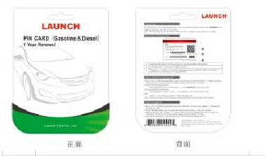
 |  |  |  |  |  |  |  |  |  |  |  |  | 4.2913385827 |  | 5.6299212598 |  | 0.11

